4 NIC per host
 |  | 4 NICs Per HOST Server
 |  | MD3200i Sample IP Addresses Setup |  |  |  |  |  |  |  | MD3200i Default IP Addresses

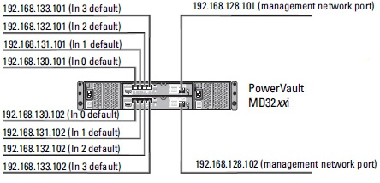
 | controller 0 |  |  |  |  | controller 1
Port no | 0 | 1 | 2 | 3 | Port no | 0 | 1 | 2 | 3
 | Subnet 1 | Subnet 2 | Subnet 1 | Subnet 2 |  | Subnet 1 | Subnet 2 | Subnet 1 | Subnet 2

Host 1 |  |  |  | MD3200i | controller 0 |  | controller 1
Nic 1 | 192.168.201.1 |  |  | Port 0 | 192.168.201.101 |  | 192.168.201.102
Nic 2 | 192.168.202.1 |  |  | port 1 | 192.168.202.101 |  | 192.168.202.102
Nic 3 | 192.168.203.1 |  |  | port 2 | 192.168.203.101 |  | 192.168.203.102
Nic 4 | 192.168.204.1 |  |  | port 3 | 192.168.204.101 |  | 192.168.204.102

ISCSI intiator Sessions
Sesssions | Inititor Host |  | Target MD3200i
1 | 192.168.201.1 |  | 192.168.201.101
2 | 192.168.202.1 |  | 192.168.202.101
3 | 192.168.203.1 |  | 192.168.203.101
4 | 192.168.204.1 |  | 192.168.204.101
5 | 192.168.201.1 |  | 192.168.201.102
6 | 192.168.202.1 |  | 192.168.202.102
7 | 192.168.203.1 |  | 192.168.203.102
8 | 192.168.204.1 |  | 192.168.204.102

